finals
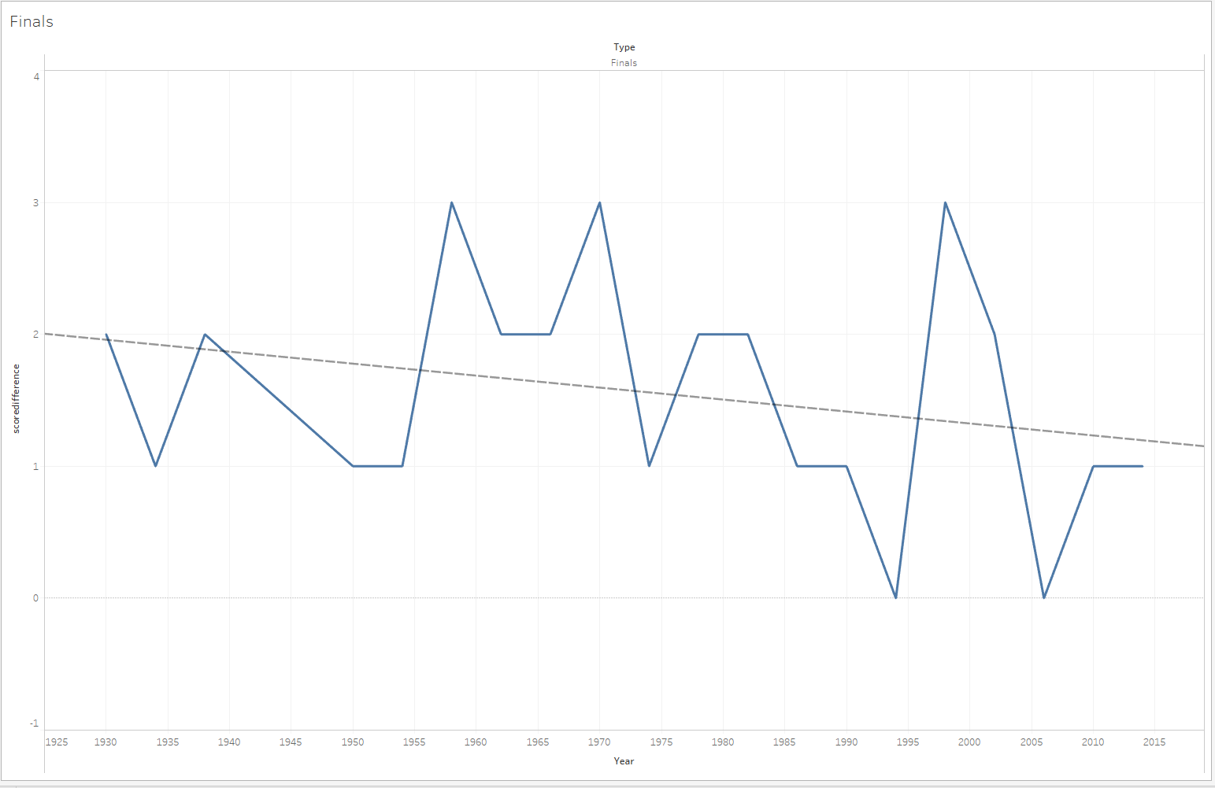

Equation:
scoredifference = -0.00907102*Year + 19.4635

forecasted 2018 score | 1.15818164

predicted total goal count | 3
loser score | 0.92090918
winner score | 2.07909082
rounded off score | 2018-02-01

 |  | Trend Lines Model

 |  | A linear trend model is computed for sum of scoredifference given Year.

 |  | Model formula: | Type*( Year + intercept )
 |  | Number of modeled observations: | 20
 |  | Number of filtered observations: | 0
 |  | Model degrees of freedom: | 2
 |  | Residual degrees of freedom (DF): | 18
 |  | SSE (sum squared error): | 13.9268
 |  | MSE (mean squared error): | 0.77371
 |  | R-Squared: | 0.0684422
 |  | Standard error: | 0.879608
 |  | p-value (significance): | 0.265199

 |  | Analysis of Variance:

 |  | Field | DF | SSE | MSE | F | p-value
 |  | Type | 0 | 0 | N/A | N/A | N/A

 |  | Individual trend lines:

 |  | Panes |  | Line |  | Coefficients
 |  | Row | Column | p-value | DF | Term | Value | StdErr | t-value | p-value
 |  | scoredifference | Finals | 0.265199 | 18 | Year | -0.009071 | 0.0078879 | -1.14999 | 0.265199
 |  |  |  |  |  | intercept | 19.4635 | 15.5783 | 1.24939 | 0.227524

3rdplayoffs
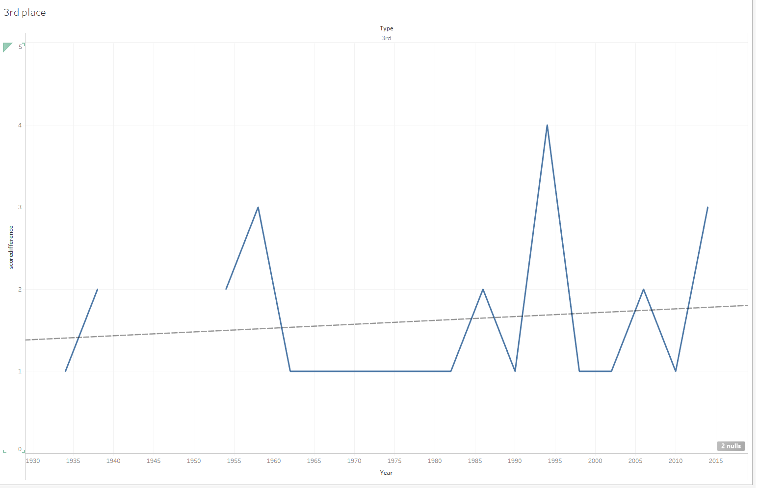
Equation:
scoredifference = 0.00468008*Year + -7.6492

forecasted 2018 score | 1.79520144

predicted total goal count | 7
loser score | 2.60239928
winner score | 4.39760072
rounded off score | 4-3 score

 |  | Trend Lines Model

 |  | A linear trend model is computed for sum of scoredifference given Year.

 |  | Model formula: | Type*( Year + intercept )
 |  | Number of modeled observations: | 18
 |  | Number of filtered observations: | 2
 |  | Model degrees of freedom: | 2
 |  | Residual degrees of freedom (DF): | 16
 |  | SSE (sum squared error): | 14.0687
 |  | MSE (mean squared error): | 0.879296
 |  | R-Squared: | 0.0146412
 |  | Standard error: | 0.937708
 |  | p-value (significance): | 0.632457

 |  | Analysis of Variance:

 |  | Field | DF | SSE | MSE | F | p-value
 |  | Type | 0 | 0 | N/A | N/A | N/A

 |  | Individual trend lines:

 |  | Panes |  | Line |  | Coefficients
 |  | Row | Column | p-value | DF | Term | Value | StdErr | t-value | p-value
 |  | scoredifference | 3rd | 0.632457 | 16 | Year | 0.0046801 | 0.0095985 | 0.487586 | 0.632457
 |  |  |  |  |  | intercept | -7.6492 | 18.9935 | -0.402728 | 0.692478

